Annexure
Zerodha Mutual Fund

Disclosure of product label, risk-o-meter and potential risk class of schemes and risk-o-meter of benchmarks

Risk-o-meter of Scheme | Risk-o-meter of Benchmark | Product Labelling
Zerodha Nifty LargeMidcap 250 Index Fund | Nifty LargeMidcap 250 Index - TRI

 |  | This product is suitable for investors who are seeking*:
 |  | 1. Long term capital growth
 |  | 2. Investment in securities covered by Nifty LargeMidcap 250 Index
 |  | Investors should understand that their principal will be at Very High Risk
 |  | *Investors should consult their financial advisers if in doubt about whether the product is suitable for them.

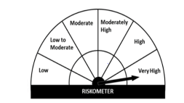
Zerodha ELSS Taxsaver Nifty LargeMidcap 250 Index Fund | Nifty LargeMidcap 250 Index - TRI
 |  | This product is suitable for investors who are seeking*:
 |  | 1. Long term capital growth
 |  | 2. Investment in securities covered by Nifty LargeMidcap 250 Index
 |  | Investors should understand that their principal will be at Very High Risk
 |  | *Investors should consult their financial advisers if in doubt about whether the product is suitable for them.

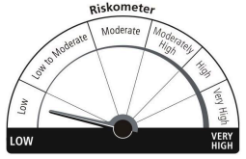
Zerodha Nifty 1D Rate Liquid ETF | Nifty 1D Rate Index
 |  | This product is suitable for investors who are seeking*:
 |  | 1. Short Term savings solution
 |  | 2. Investment in securities covered by NIFTY 1D Rate Index
 |  | Investors should understand that their principal will be at Low Risk
 |  | *Investors should consult their financial advisers if in doubt about whether the product is suitable for them.

Zerodha Gold ETF | Domestic Prices of Physical Gold
 |  | This product is suitable for investors who are seeking*:
 |  | 1. Long term capital appreciation
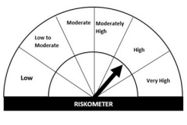
 |  | 2. Investment in gold in order to generate returns similar to the performance of the gold, subject to tracking errors.
 |  | Investors should understand that their principal will be at High Risk
 |  | *Investors should consult their financial advisers if in doubt about whether the product is suitable for them.

Potential Risk Class of Zerodha Nifty 1D Rate Liquid ETF

